Neurons
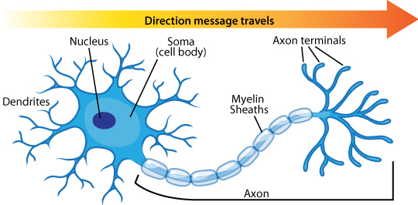

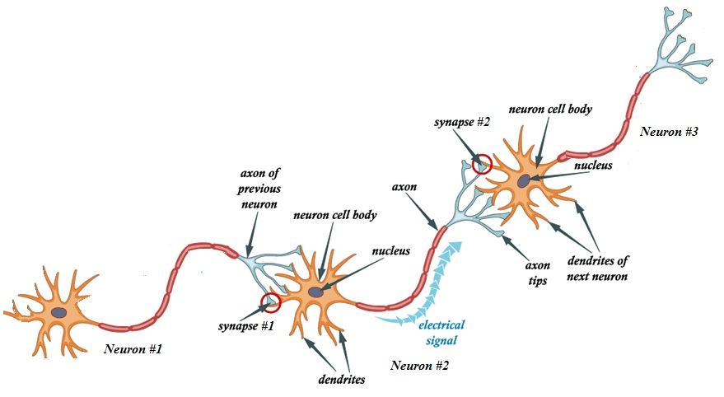

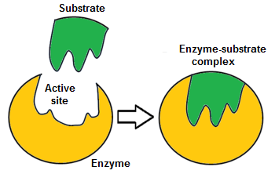

Basics
Q1 | Artificial Neural Network

Q2 | Elements / Layers of NN Architecture

Q3 | What is Activation Function?

 | Activation function decides, whether a neuron should be activated or not by calculating weighted sum and further adding bias with it.

 | The purpose of the activation function is to introduce non-linearity into the output of a neuron
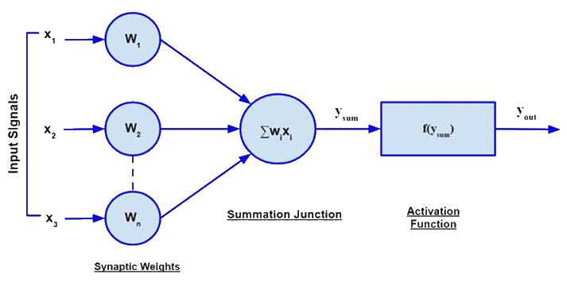

Q4 | Name a few Activation Functions.

 | 1 | Sigmoid (or Logistic) Activation Function
 | 2 | Hyperbolic tangent (Tanh) Activation Function
þ | 3 | ReLU (Rectified Linear Unit) Activation Function
 | 4 | Leaky ReLU Activation Function
 | 5 | Binary Step Activation Function
 | 6 | Linear Activation Function
 | 7 | Softmax Activation Function

Q5 | What is Learning Rate ?

 | The learning rate is a hyperparameter that controls how much to change the model in response to the estimated error each time the model weights are updated.

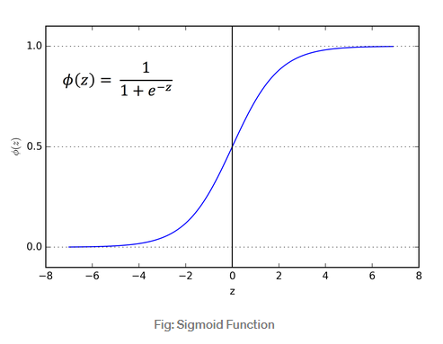
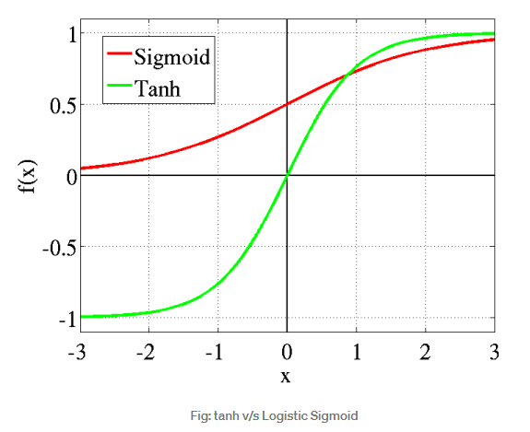

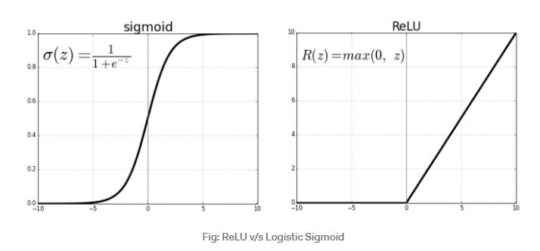

 |  |  |  | Range of ReLU : 0 to infinity

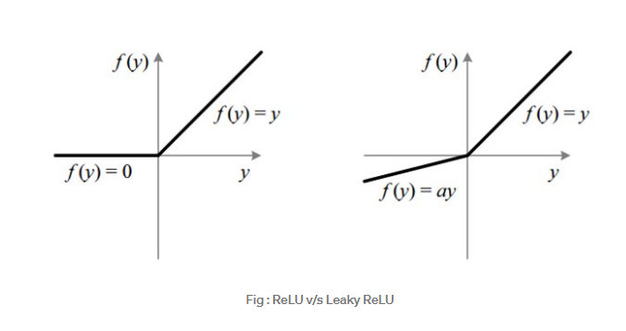

 |  |  | The leak helps to increase the range of the ReLU function. Usually, the value of a is 0.01 or so.

 |  |  | When a is not 0.01 then it is called Randomized ReLU

 |  |  | Range of the Leaky ReLU is (-infinity to infinity)

 |  | Stochastic Gradient Descent

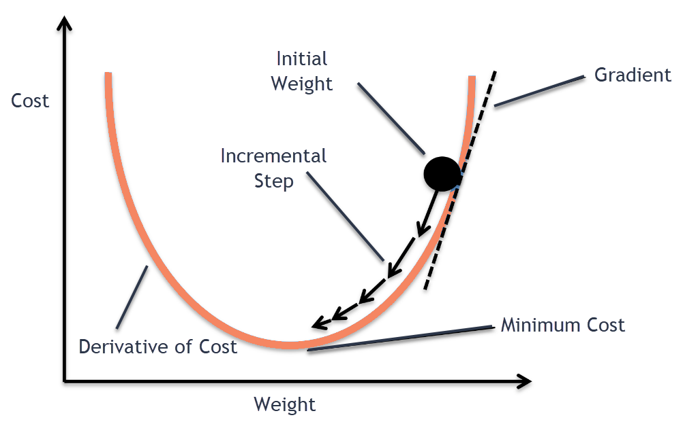
 |  |  | An iterative optimization algorithm for finding the minimum of a function

 |  |  | Compute the slope (gradient) that is first order derivative of the function at the current point

 |  |  | Move in the opposite direction of the slope increase from the current point by the computed amount

